Instructions
ARTERIAL MANAGEMENT PROJECTS
FYE 2027 TFCA 40% Fund Worksheet
Version 2027, Updated 1/9/2026

Detailed instructions are available in Appendix H of the 40% Fund Expenditure Plan Guidance Fiscal Year Ending 2027 at:
http://www.baaqmd.gov/tfca4pm

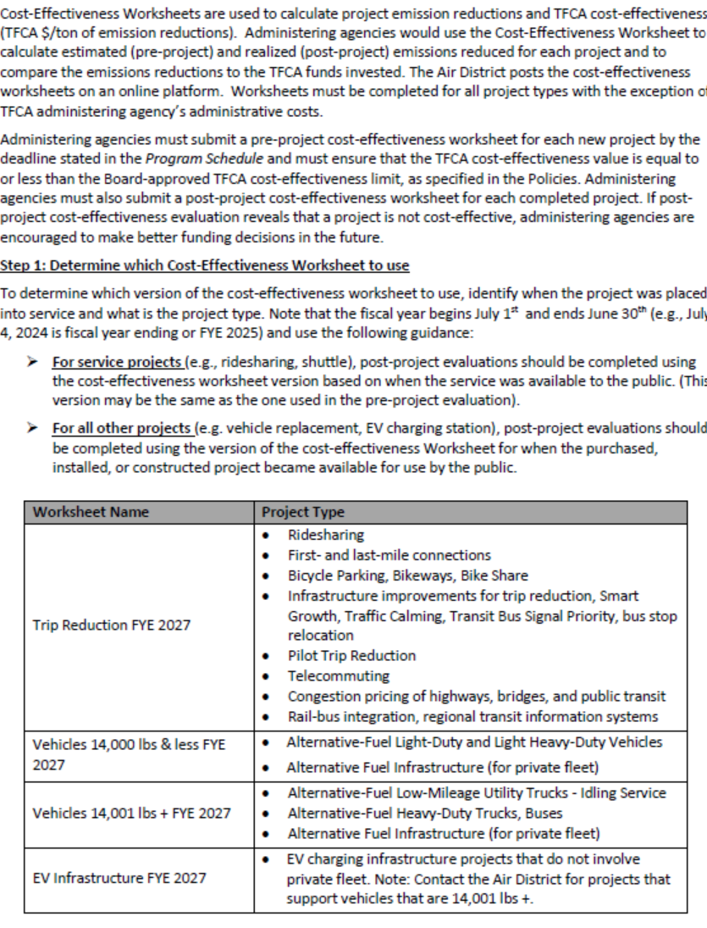
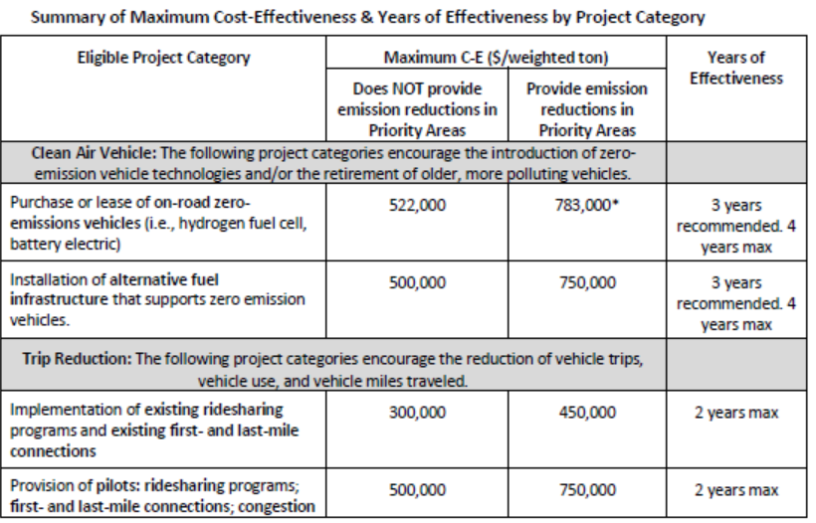
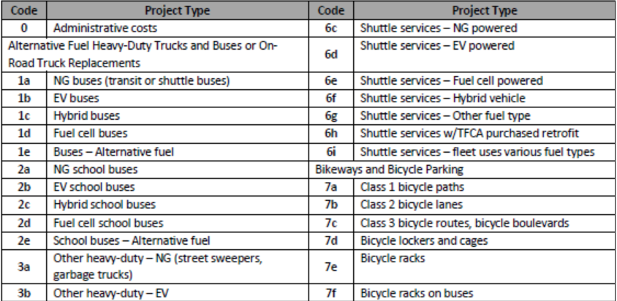

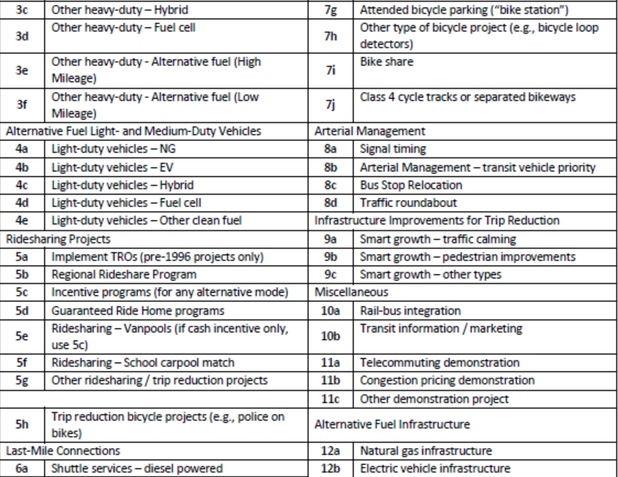

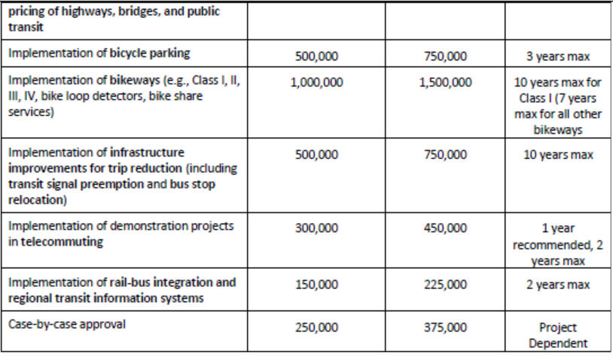

General Information Tab: Complete areas shaded in yellow.

 | Project Number (27XXXYY) | Enter project number
 | Project Title | Enter a project title
 | Project Type Code (e.g., 7a) | Enter code for project type. See Guidance or table above.
 | Project Description | Provide answers for who, what, when, and where for the project.
 | County (2-3 character abbreviation) | Enter the same abbreviations as used in Project Number.
 | Worksheet Calculated By | Enter name of person completing the worksheet.
 | Date of Submission | Enter date submitted to the administering agency.
 | Project Sponsor Organization | Enter organization responsible for the project.
 | Public Agency? (Y or N) | Is the organization a public agency? Enter "Y" for yes and "N" for no.
 | Contact Name | Enter name of individual responsible for implementing the project.
 | Email Address | Enter email address of contact
 | Phone Number | Enter phone number of contact
 | Mailing Address | Enter mailing address of contact
 | City | Enter mailing address city
 | State | Enter mailing address state
 | Zip | Enter mailing address zip
 | Project Start Date | Date work begins on a project. Note: Project must meet Readiness Policy (Policy #6).
 | Project Completion Date | Date the project scope is estimated to be completed. For Service projects’ completion date: a project is completed after its Operational Period is completed. For infrastructure projects’ completion date: a project is completed after the equipment becomes available for public use (i.e., after the Implementation Period is completed). Note, this date will be used to track the project. The project scope may be completed, but projects cannot be closed out until all payment is paid out and Final Report is approved.
 | Final Report to County | Date the Final Report was received by the administering agency. Note: Administering agencies must expend funds within two years of receipt, unless an application states that the project will take a longer period of time and is approved by the administering agency or the Air District.
 | TFCA 40% Funds Allocated | Auto populated. Total of TFCA 40% Funds allocated to this project.
 | Total Project Cost | Auto populated. Total of TFCA 40% Funds allocated to this project.
 | Years Effectiveness | Auto populated. Equivalent to the administrative period of the grant and used in calculating a project’s Cost Effectiveness. This is different than how long the project will physically last.
 | Em_Red_ROG (tpy) | Auto populated. Emissions reduction for reactive organic gases (ROG) (in tons per year).
 | Em_Red_NOx (tpy) | Auto populated. Emissions reduction for nitrogen oxides (NOx) (in tons per year).
 | Em_Red_PM10 (tpy) | Auto populated. Emissions reduction for particulate matter 10 microns in diameter and smaller (PM10) (in tons per year).
 | Em_Red_CO2 (tpy) | Auto populated. Emissions reduction for CO2 (tons per year).
 | Cost_Eff_ROG_NOx_PM ($/ton) | Auto populated. The ratio of TFCA funds awarded to the sum of surplus emissions reduced, during a project’s operational period, of ROG, NOx, and PM10
 | Life_C/E_WEIGHTED ($/ton) | Auto populated. The ratio of TFCA funds awarded to the sum of surplus emissions reduced, during a project’s operational period, of ROG, NOx, and weighted PM10 (which is calculated by multiplying the tailpipe PM emissions by a factor of 20)
 | % in SB 535 DAC?* | See "Priority Areas" tab for geographic boundaries.
 | % in AB 1550 LIC?* | See "Priority Areas" tab for geographic boundaries.
 | % in AB 617 Communities?* | See "Priority Areas" tab for geographic boundaries.
 | Is the Air District logo requirement applicable? (Y or N) If "N," please explain. | Identify whether a logo can be applied to the project, based on the project type. Enter "Y" for yes or "N" for no. If no, please provide explanation.

Priority Areas

Disadvantaged Communities (DAC): for the purpose of SB 535, these areas are designated by the California Environmental Protection Agency as the top 25% most impacted census tracts experiencing disproportionate amounts of pollution, environmental degradation, and socioeconomic and public health conditions as shown in CalEnviroScreen 4.0, census tracts previously identified in the top 25% in CalEnviroScreen 3.0, census tracts with high amounts of pollution and low populations, and federally recognized tribal areas as identified by the Census in the 2021 American Indian Areas Related National Geodatabase. DACs are shown shaded YELLOW and GREEN in the California Climate Investments Priority Populations map.
https://ww3.arb.ca.gov/cc/capandtrade/auctionproceeds/communityinvestments.htm

Low-income communities (LIC): for the purpose of AB 1550, these areas are defined as census tracts with median household incomes at or below 80 percent of the statewide median income or with median household incomes at or below the threshold designated as low-income by Housing and Community Development’s State Income Limits. LICs are shown shaded in BLUE and GREEN in the California Climate Investments Priority Populations map.
https://ww3.arb.ca.gov/cc/capandtrade/auctionproceeds/communityinvestments.htm

Assembly Bill 617 Communities: Assembly Bill 617 (AB 617) requires air districts to develop and implement additional emissions reporting, monitoring, reduction plans, and measures in an effort to reduce air pollution exposure in disadvantaged communities. The AB 617 communities in the Bay Area Air District’s jurisdiction include West Oakland and East Oakland in Alameda County, Richmond/San Pablo in Contra Costa County, and Bayview-Hunters Point in San Francisco. See below for the geographic boundaries.

West Oakland:
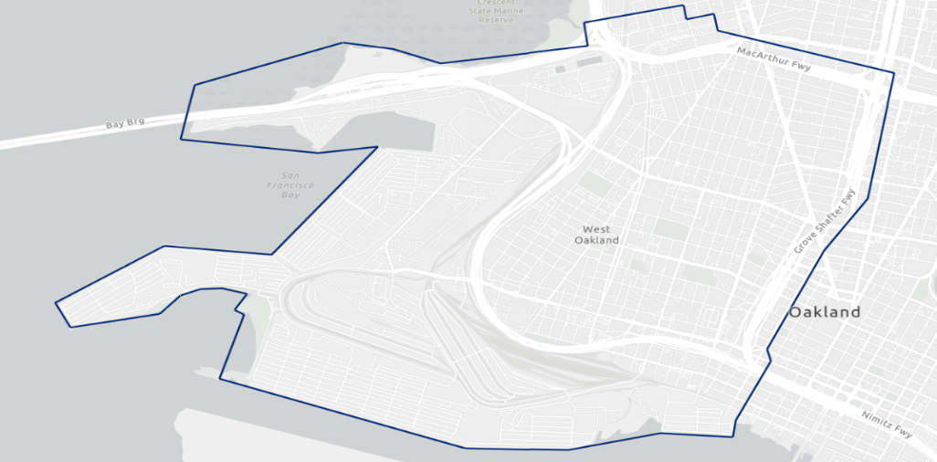

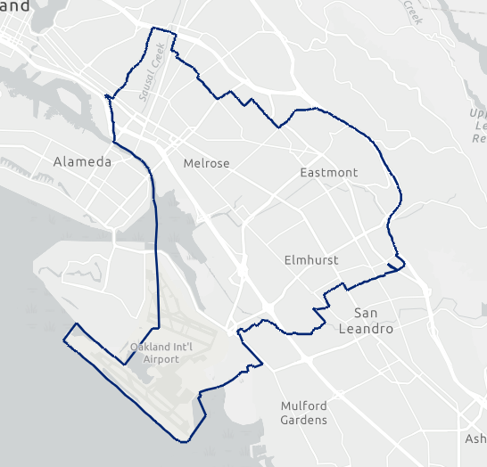
East Oakland:

Richmond-San Pablo:
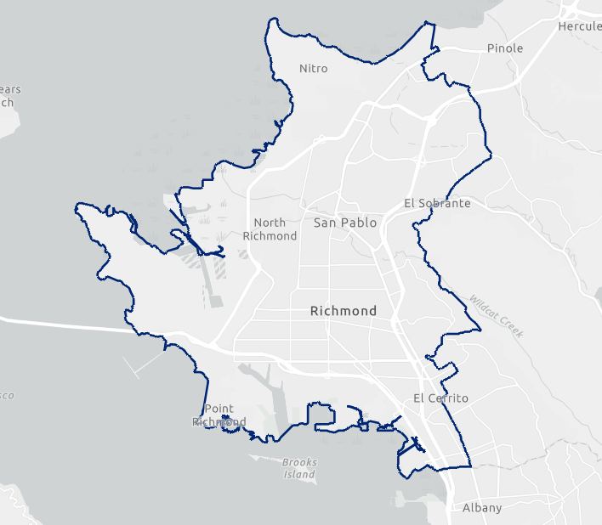

Bayview-Hunters Point/Southeast San Francisco:
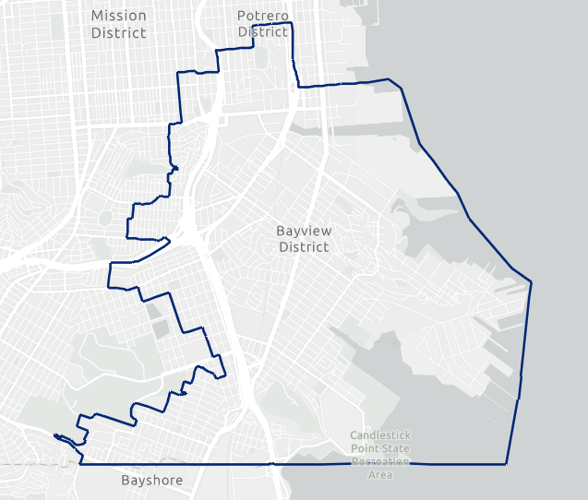

CE Calc
ARTERIAL MANAGEMENT PROJECTS
FYE 2027 TFCA 40% Fund Worksheet
Version 2027, Updated 1/9/2026

Calculations Tab: Complete areas shaded in yellow.

Cost Effectiveness Inputs
# Years Effectiveness:
Total Project Cost:
TFCA Cost 40%:
TFCA Cost 60%: |  | N/A |  | TFCA Regional Fund Proj. #: | N/A
Total TFCA Cost: |  | $0

Emission Reduction Calculations
A | B | C | D | E | F | G | H | I | J | K | L
Name of Arterial, Direction | Segment Length (miles) | Days/Yr. | Time Period | Traffic Volume During Time Period | Travel Speed w/o Project | Travel Speed w/ Project | Percent Speed Increase | ROG Emission Reductions (lbs/yr) | NOx Emission Reductions (lbs/yr) | PM Emission Reductions (lbs/yr) | CO2 Emission Reductions (lbs/yr) | Average Speed w/ Avg. Increase | Fraction of Speed w/o Project | Fraction of Speed w/ Project | ROG Emission Factor w/o Project | ROG Emission Factor w/ Project | NOx Emission Factor w/o Project | NOx Emission Factor w/ Project | PM Emission Factor w/o Project | PM Emission Factor w/ Project | CO2 Emission Factor w/o Project | CO2 Emission Factor w/ Project
Existing Vehicles
SAMPLE--San Pablo, Northbound | 4.5 | 250 | 7AM - 9AM | 7,000 | 21.5 | 25.0 | 16.3% | 51.60 | 258.89 | 5.19 | 296782 | 23.25 | 0.50 | 0.25 | 0.0316 | 0.0286 | 0.2297 | 0.2148 | 0.0033 | 0.0030 | 327.9670 | 310.8572
 |  |  |  |  | 5.0 | 5.0 | 0.0% | 0.00 | 0.00 | 0.00 | 0 | 5.00 | 0.00 | 0.00 | 0.1112 | 0.1112 | 0.5602 | 0.5602 | 0.0104 | 0.0104 | 621.6764 | 621.6764
 |  |  |  |  | 5.0 | 5.0 | 0.0% | 0.00 | 0.00 | 0.00 | 0 | 5.00 | 0.00 | 0.00 | 0.1112 | 0.1112 | 0.5602 | 0.5602 | 0.0104 | 0.0104 | 621.6764 | 621.6764
 |  |  |  |  | 5.0 | 5.0 | 0.0% | 0.00 | 0.00 | 0.00 | 0 | 5.00 | 0.00 | 0.00 | 0.1112 | 0.1112 | 0.5602 | 0.5602 | 0.0104 | 0.0104 | 621.6764 | 621.6764
 |  |  |  |  | 5.0 | 5.0 | 0.0% | 0.00 | 0.00 | 0.00 | 0 | 5.00 | 0.00 | 0.00 | 0.1112 | 0.1112 | 0.5602 | 0.5602 | 0.0104 | 0.0104 | 621.6764 | 621.6764
 |  |  |  |  | 5.0 | 5.0 | 0.0% | 0.00 | 0.00 | 0.00 | 0 | 5.00 | 0.00 | 0.00 | 0.1112 | 0.1112 | 0.5602 | 0.5602 | 0.0104 | 0.0104 | 621.6764 | 621.6764
 |  |  |  |  | 5.0 | 5.0 | 0.0% | 0.00 | 0.00 | 0.00 | 0 | 5.00 | 0.00 | 0.00 | 0.1112 | 0.1112 | 0.5602 | 0.5602 | 0.0104 | 0.0104 | 621.6764 | 621.6764
Clean Fuel Vehicle
Clean Fuel Vehicles
Clean Fuel Vehicles
Clean Ful Vehicles
Clean Fuel Vehicles
CleanFuel Vehicles
 |  |  |  |  |  | Total Emission Reductions |  | 0.00 | 0.00 | 0.00 | 0

Cost Effectiveness Results |  |  | Annual | Lifetime
1. ROG Emissions |  |  | 0.00 | 0.00 | Tons
2. NOx Emissions |  |  | 0.00 | 0.00 | Tons
3. PM Emissions |  |  | 0.00 | 0.00 | Tons
4. Weighted PM Emissions |  |  | 0.00 | 0.00 | Tons
5. CO2 Emissions Reduced |  |  | 0.00 | 0.00 | Tons
6. Emission Reductions (ROG, NOx & PM) |  |  | 0.00 | 0.00 | Tons
7. TFCA Project Cost - Cost Effectiveness (ROG, NOx & PM) |  |  |  | #DIV/0! | /Ton
8. TFCA Project Cost - Cost Effectiveness (ROG, NOx & Weighted PM). THIS VALUE MUST MEET POLICY REQUIREMENTS. |  |  |  | #DIV/0! | /Ton

